Use Case
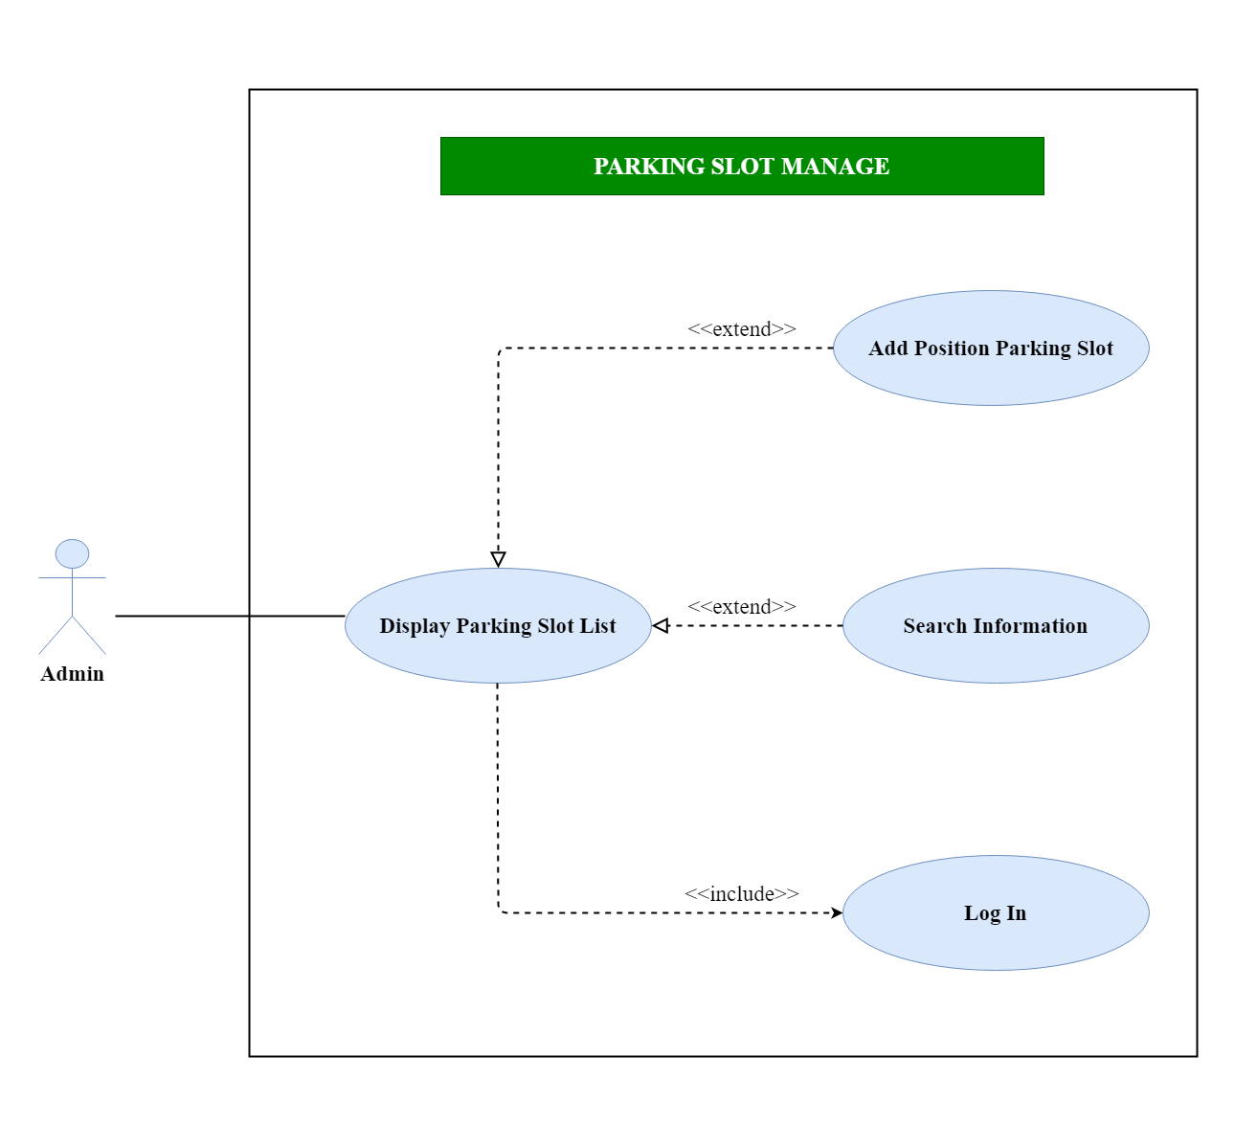
5.8. Quản lý bãi xe
5.8.1. Danh sách bãi xe
5.8.2. Thêm vị trí đỗ xe

Class Diagram
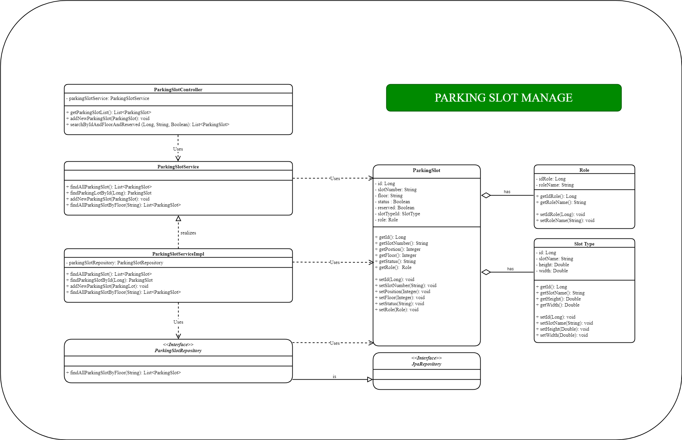
5.8. Quản lý bãi xe
5.8.1. Danh sách bãi xe
5.8.2. Thêm vị trí đỗ xe

